Sheet1
Defect Report |  |  |  | 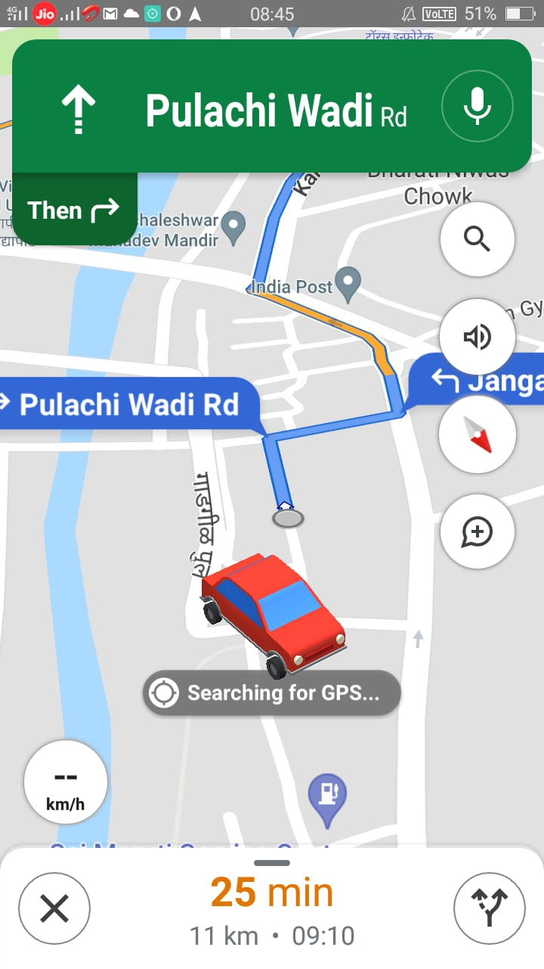
Project Name: | Road Animation
Model Name: | Animation Detection
Status: | Open
Priority: | High
Sevearity: | Major
Test Environment: | Hardware: | 1.Model Name:Galaxy M21
 |  | 2.RAM: 128GB
 |  | 3.Core Version : 3.1
 | Software: | 1.Android Version : 11
 |  | 2.Application:Google Maps
Brief Defination: | According to requirement on chooseing locations the animation for directions is not proper.
Steps: | 1.Tap on Google Maps application icon.
 | 2.Enter the destination location.
 | 3.Enter your current location.
 | 4.Tap on the direction option .
 | 5.Doesn't showing proper required animations for directions.
Expected Results: | All possible roads to reach the destinations should be visible.
Actual Result: | Direction is not accurate.

 | Send |  | Cancle | Comment | Attach

